1. Launching Comp Plans
Launching Comp Plans
Once all backend setups have been created/tested you will be ready to launch comp plans **MAKE SURE ALL COMP RELATED DATA IS SETUP FOR THE YEAR.... MERIT MATRIX etc****

1 | Go to Compensation Home>Applicable Year's Comp Plan>Manage Worksheets>Create Worksheets
2 | Enter the Worksheet Name
3 | Enter the Plan Start, End & Due Dates (Start Date= Date Plans are Launched/End Date & Due Date= Date Process is Completed)
4 | Click on Find Employee and search for the Comp Planners name. You will have 2 options for launching Comp Plans:
 |  | a) Start with CEO and launch for entire Org OR
 |  | b) Launch by Individual Comp Planner by typing in their name and checking off Create for Head of Planning only
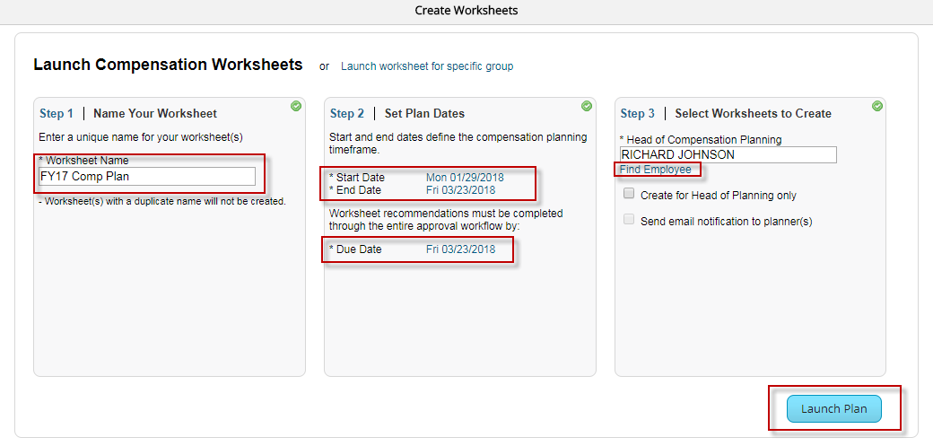

5 | Select Launch Plan. Depending on the # of Plans launched/# of associates on the Comp Plan it can take 30-60 mins until the Comp Plans generate.

2. Moving Comp Plans
Moving Comp Plans
Once all Comp Plans are launched you have the ability to move the forms forward or backwards as needed by following the below steps:

1 | Go to Admin Center>Manage Forms by User>Route Forms. You can also add as a favorite by right clicking the star next to the text.
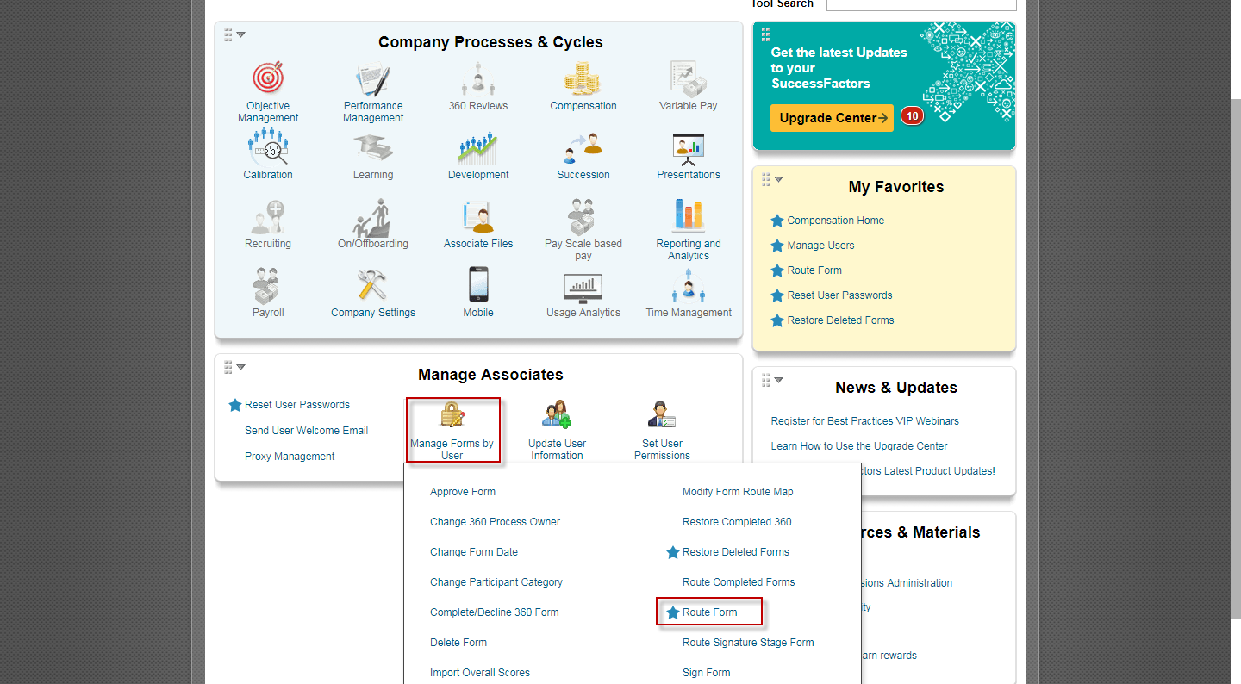

2 | Select Search by Subject User, find the Comp Planner's Name under Employee Name to move the specific Comp Plan and hit the Search button.
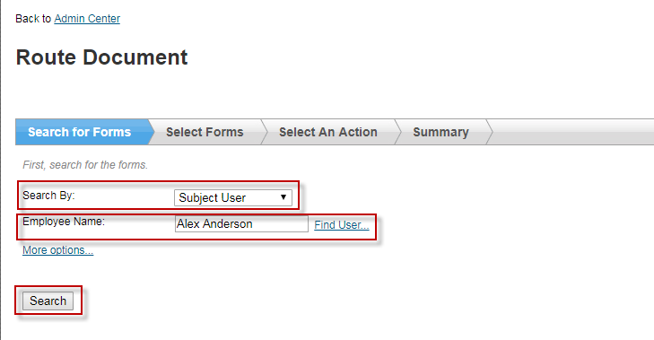

3 | Select the appropriate form (remember the comp planner may have comp plans from previous years or performance forms so you must select the correct one)
 | and hit the Next button.

4 | Select Move the form to a specific step, select the step you want to move the form to from the drop down and hit the Next button.
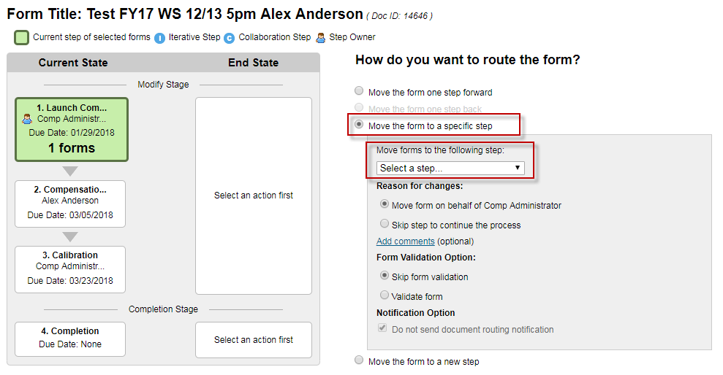

5 | You will receive a message the form has been routed to the step selected.

3. Moving or Deleting Assoc
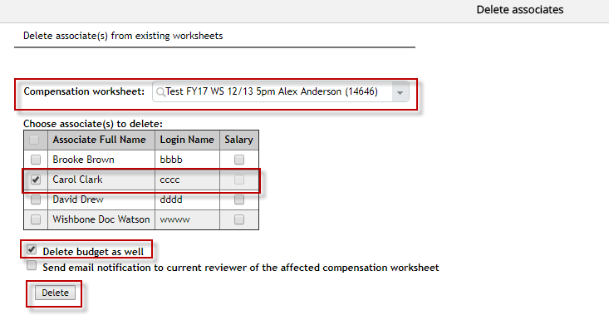
Moving Associates on Comp Plans

1 | Go to Compensation Home>Applicable Year's Comp Plan>Manage Worksheets>Move Associates
2 | Select the Comp Plan the associate is currently on under Source Worksheet
3 | Enter the New Comp Plan the associate should be moved to under Target Worksheet
4 | Select the Associate's Name you want to move
5 | Select Move budget as well so the allocated budget for this associate will move to the new Comp Plan

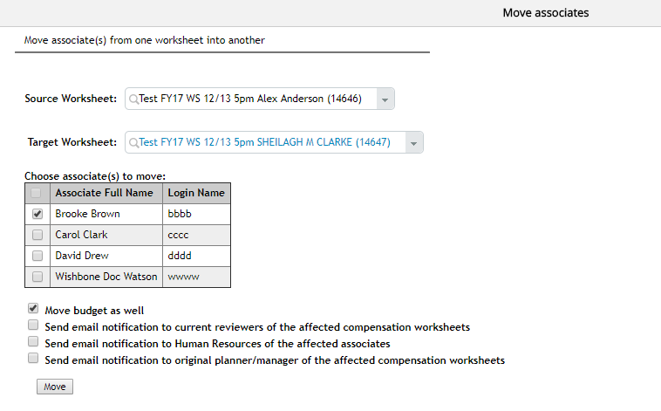

Deleting Associates on Comp Plans

1 | Go to Compensation Home>Applicable Year's Comp Plan>Manage Worksheets>Delete Associates
2 | Select the Comp Plan the associate is currently on under Compensation Worksheet
3 | Select the Associate's Name you want to delete
4 | Select Delete budget as well to remove this associate's allocated budget on the Comp Plan
5 | Hit the Delete button

4. Deleting & Relaunching Plans
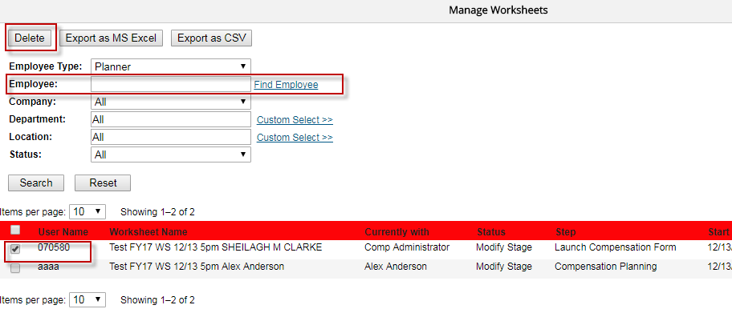
Deleting Comp Plans

1 | Go to Compensation Home>Applicable Year's Comp Plan>Manage Worksheets>Manage Worksheets
2 | Select the Comp Plan you want to delete from the list (you can also search for the Comp Plan/Comp Planner under the Employee section)
3 | Hit the Delete button
4 | To relaunch a plan follow the steps on Tab 1) Launching Comp Plans

5. Exporting Comp Plans Data
Exporting Individual Comp Plan Data

1 | Go to the Comp Plan you would like to export data from under the "To Do" section on Comp Admin home page and click the Detailed Report icon in the top right-hand corner.

2 | In the pop-up window click the Export as MS Excel button
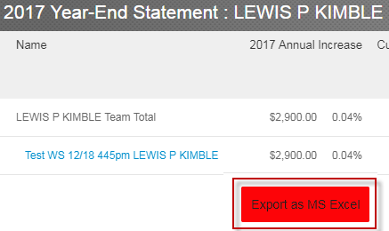

3 | To pickup the report you just ranin excel go to Home>Reporting>Report Center (under classic view)>Scheduled Reports and you will be able to pull up the report you just ran
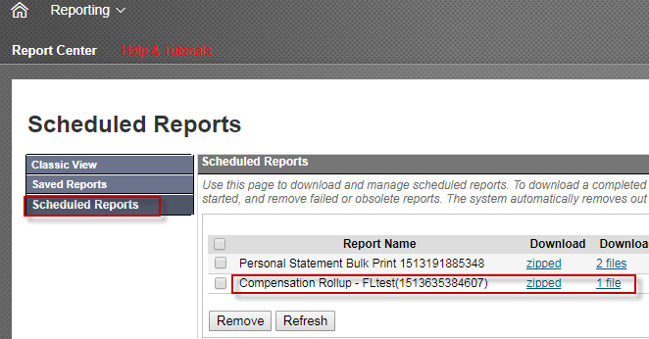

4 | Click on the zipped report and it will contain 2 excel files
 |  | 1) Compensation Roll-up: Gives an up to date budget spend summary for the Comp Plan as of when the report was run
 |  | 2) Compensation Details: Detailed person by person associate detail report with all columns

5 | Remember any comp planners that fall under the hierarchy will appear on the export as well. You can filter by Comp Plan as needed under the
 | Plan Name column
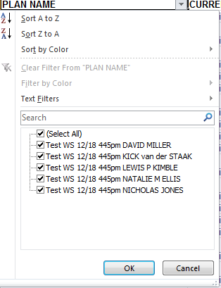

6 | Cleanup the comp plan excel report with all headers/data as needed

Exporting ALL Comp Plan Data

1 | Follow the steps for exporting an individual Comp Plan but do so from CEO/Dick Johnson so all Comp Plans are exported

